Keywords
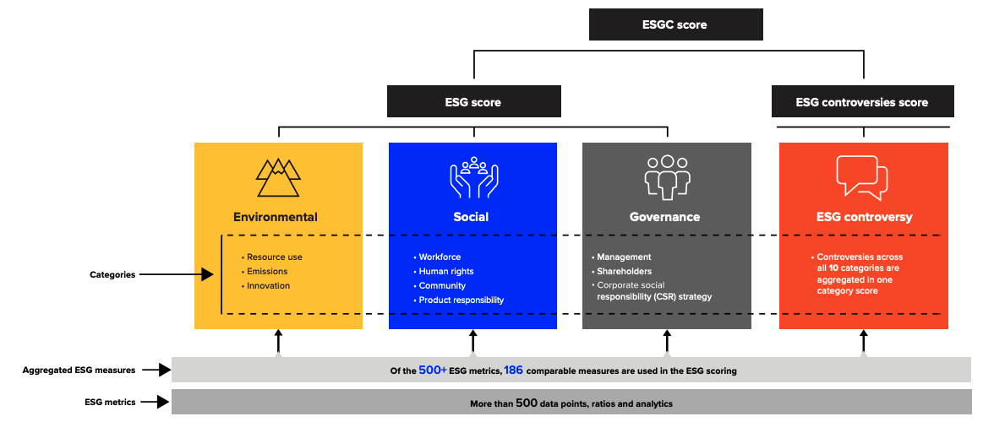
 | Environment
1 | Opportunities in Clean Tech | ['renewable','energy efficiency', 'smart', 'efficient', 'efficiency', 'cleantech', 'green technologies', 'energy-saving']
2 | Carbon Emissions | ['Climate Risk', 'low-carbon', 'carbon', 'carbon footprint', 'footprint', 'co2e', 'co2', 'decarbonization', 'decarbonisation', 'low-carbon', 'GHG emissions', 'GHG', 'dioxide', 'emissions', 'emission']
3 | Water Stress | ['water', 'Water', 'water-related', 'Water-related', 'water-stress', 'water-intensity', 'aquatic', 'Aquatic', 'aqua', 'aquatic', 'wastewater']
4 | Electronic Waste | ['electronic waste', 'e-waste', 'dispose', 'disposal', 'waste']
5 | Toxic Emissions & Waste | ['toxic', 'hazardous substances', 'toxic waste', "hazardous waste"]
 | Social
6 | Human Capital Development | ['human management', 'strengthening relationship', 'investment', 'productive']
7 | Privacy and Data Security | ['data', 'privacy', 'security', 'cyber', 'digital-infrastructure', 'personal', 'protect', 'individual', 'information', 'data-privacy-regulation', 'sensitive', 'minimal']
8 | Labor Management | ['welfare', 'supply chain', 'workplace', 'workforce management']
 | Governance
9 | Governance | ['equity', 'tax', 'corruption', 'transparency', 'shareholder', stakeholder, 'board', 'sovereign', 'corporate-leadership', 'stewardship', 'ownership', ''decision-making, 'executives', 'diversity', 'equality', 'policy-making', 'governance']

